script
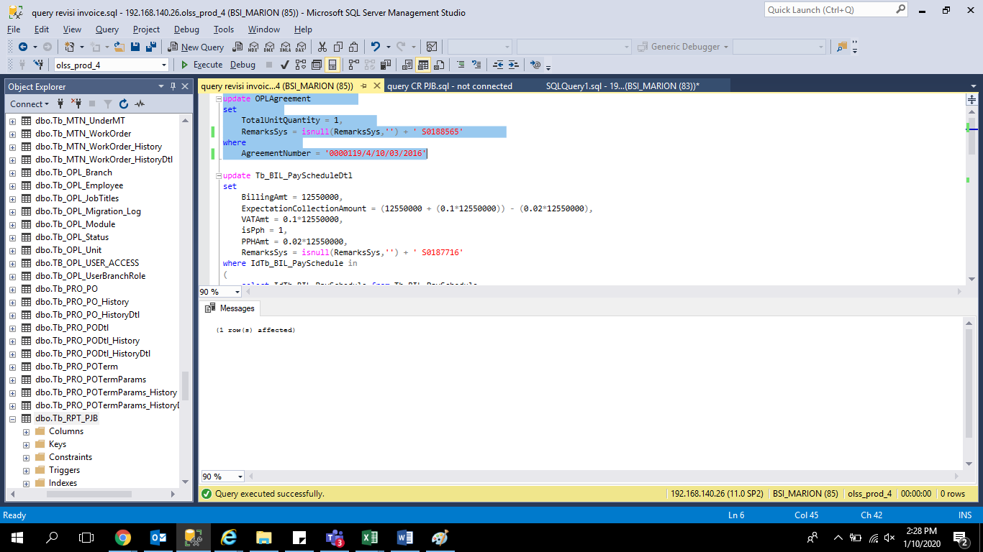
update OPLAgreement
set
 | TotalUnitQuantity = 1,
 | RemarksSys = isnull(RemarksSys,'') + ' S0188565'
where
 | AgreementNumber = '0000119/4/10/03/2016'

screenshoot
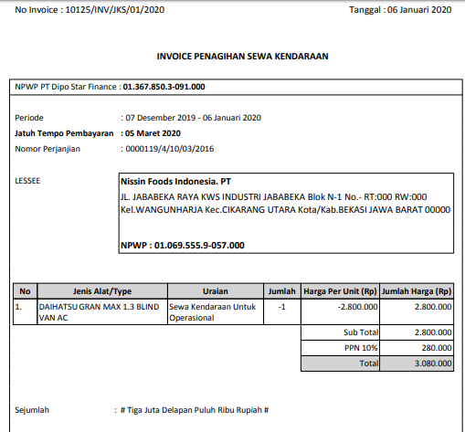
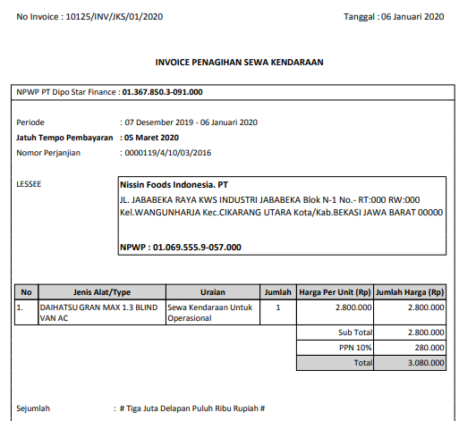
before | after

